card page
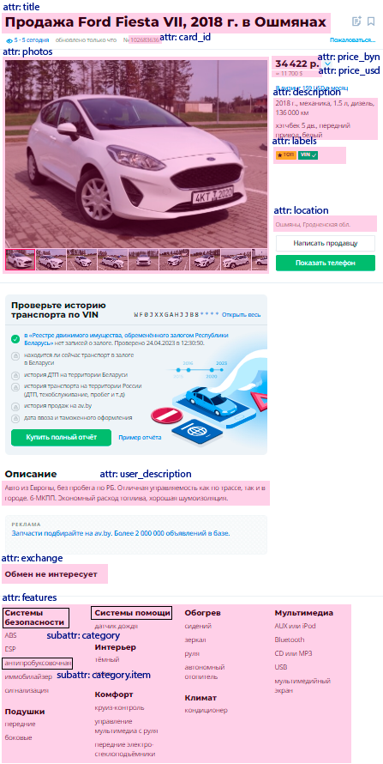
An example of a car card page
https://cars.av.by/ford/fiesta/102683636

